Sheet1
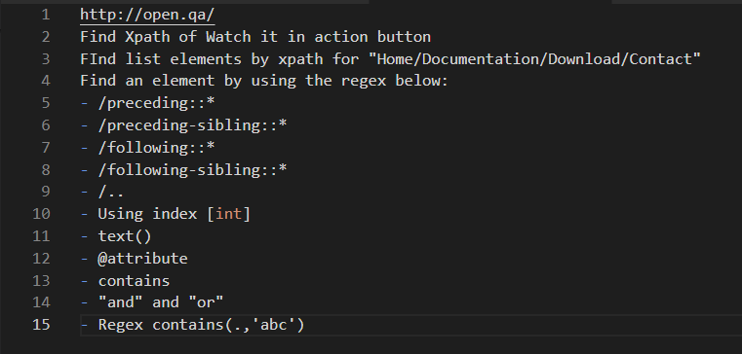
2.
//a[text() ="Watch it in action"]
//a[contains(text(),"Watch")]
3.
//ul[@class = "nav nav-justified"]
//a[text() ="Home"]|//a[text() ="Documentation"]|//a[text() ="Downloads"]|//a[text() ="Contact"]
//a[text() ="Home" or text() ="Documentation" or text() ="Downloads"or text() ="Contact"]
4.
//p[@class = "lead"]/preceding::*
//p[@class = "lead"]/preceding-sibling::*
//p[@class = "lead"]/following::*
//p[@class = "lead"]/..
//a[@role = "button" and text() = "Watch it in action"]

